Sheet1
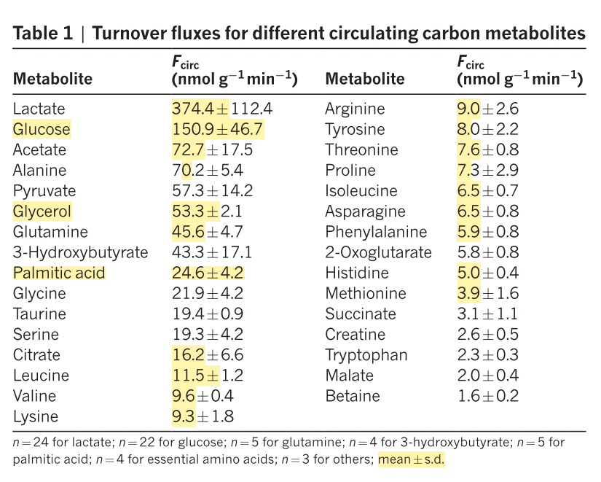

21.9 | 1371
19.3 | 592
11.5 | 902
9.6 | 611
9.3 | 812
9 | 759
8 | 264
7.6 | 544
7.3 | 668
6.5 | 501
5.9 | 333
5 | 197
3.9 | 4
2.3
70.2 | 997
45.6 | 1417
6.5 | 989
 |  |  | 22%
 |  |  | bovine skeletal muscle |  | rat hind leg muscle
 | MW | Fcirc nmol/g/min | g/kg protein | relative moles | umol

glycine | 75.07 | 21.9 | 39.47 | 526 | 1371
serine | 105 | 19.3 | 42.45 | 404 | 592
leucine | 131 | 11.5 | 81.71 | 624 | 902 | 2014
valine | 117 | 9.6 | 51.78 | 443 | 611 | #DIV/0!
lysine | 146 | 9.3 | 87.96 | 602 | 812
arginine | 174 | 9 | 66 | 379 | 759
tyrosin | 181 | 8 | 41.34 | 228 | 264
threonine | 119 | 7.6 | 45.12 | 379 | 544
proline | 115 | 7.3 | 36.46 | 317 | 668
isoleucine | 131 | 6.5 | 48.57 | 371 | 501
phenylalanine | 165 | 5.9 | 40.83 | 247 | 333
histidine | 155 | 5 | 41.66 | 269 | 197
methionine | 149 | 3.9 | 27.73 | 186 | 4
tryptophan | 204 | 2.3 | 17.7 | 87
alanine | 89 | 70.2 | 53 | 596 | 997
glutamine | 146.14 | 45.6 |  |  | 1417
asparagine | 132 | 6.5 |  |  | 989
glutamic acid | 147 |  | 145 | 986 |  |  | 0.066606004321
SUM |  |  |  | 6645 | 10961 |  | 1.665150108
Glx % |  |  |  | 15% | 13% |  | 12.010929167

